RECEIVING
PT SAPTAINDRA SEJATI
PLANT REBUILD CENTER

 |  |  | DELIVERY | MACHINE MODEL |  |  | D375-6R |  | ENGINE PART NO. |  | 6240-B0-0040 |  | DOCUMENT NO |  | RC/QR06/EG/24/07
 |  |  | INSPECTION SHEET | ENGINE MODEL |  |  | SAA6D170E-5 |  | WO NO. |  |  |  | LIFETIME
ENGINE |  |  |  | ENGINE SERIAL NO. |  |  |  |  | RECEIVING DATE |  |  |  | REVISION NO. |  | 01
 |  |  |  | HISTORYCAL |  |  |  |  | SITE |  |  |  | PAGE |  | 1 OF 2

: GOOD CONDITION
X : BAD CONDITION ⊗ : NONE
BELOW ARE THE ITEMS RELATED TO DELIVERY INSPECTION AND WHILE YOU DOING THIS INSPECTION JOB, PLEASE REFERRING
TO THE REMANUFACTURED COMPONENTS - STANDARD CONFIGURATION.

Right Side View
SKETCH DRAWING OR PHOTOES |  |  |  |  |  |  |  |  | NO. | ITEM |  |  |  |  | INSPECTION CONDITION
 |  |  |  |  |  |  |  |  | 1 | Painting ( Y / B )
 |  |  |  |  |  |  |  |  | 2 | Turbocharger (P/N:6502-51-5020)
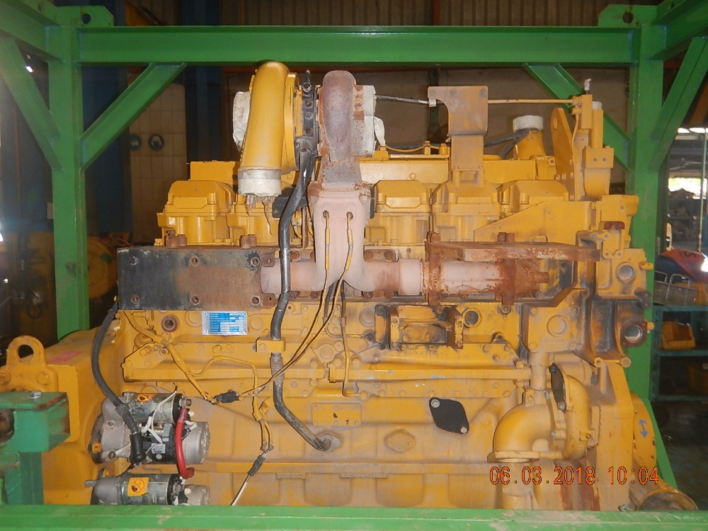
4
3
2
18
17
 |  |  |  |  |  |  |  |  |  | S/N:
 |  |  |  |  |  |  |  |  | 3 | Tube support
 |  |  |  |  |  |  |  |  | 4 | Hose Air cleaner
6
16
 |  |  |  |  |  |  |  |  | 5 | Watter temperature Sensor Assy
 |  |  |  |  |  |  |  |  | 6 | Cover safety Exhaust Manifold (heat Shiled Assy )
 |  |  |  |  |  |  |  |  | 7 | Name plate engine
5
 |  |  |  |  |  |  |  |  | 8 | Starting motor (2pcs)
15
 |  |  |  |  |  |  |  |  |  | Upper S/N :
7
 |  |  |  |  |  |  |  |  |  | Lower S/N :
 |  |  |  |  |  |  |  |  | 9 | Oil cooler (2pcs)
14
 |  |  |  |  |  |  |  |  | 10 | Tube drain Turbocharger
82
9
 |  |  |  |  |  |  |  |  | 11 | Oil pan
10
 |  |  |  |  |  |  |  |  | 12 | Valve water Drain Cock
 |  |  |  |  |  |  |  |  | 13 | Water inlet cover plate
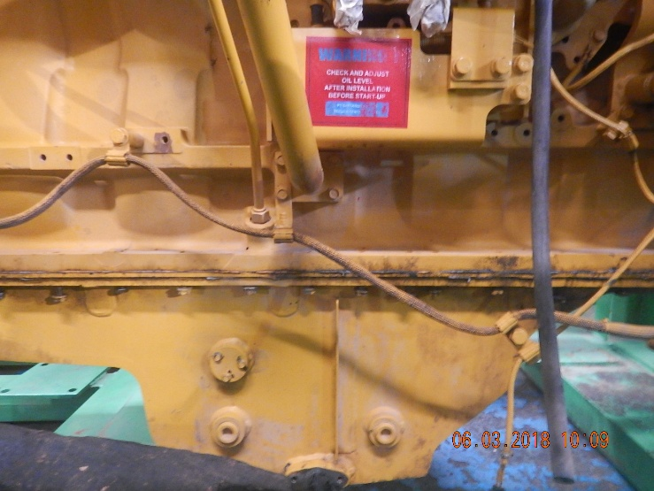
12
 |  |  |  |  |  |  |  |  | 14 | Water pump assy
13
 |  |  |  |  |  |  |  |  | 15 | Tube Exhaust Gas EGR Re-Circulation
 |  |  |  |  |  |  |  |  | 16 | Thermostat Housing
11
 |  |  |  |  |  |  |  |  | 17 | Exhaust manifold
 |  |  |  |  |  |  |  |  | 18 | Exhaust temperature sensor (2pcs)
 |  |  |  |  |  |  |  |  | 19 | Air cleaner
 |  |  |  |  |  |  |  |  | 20 | Bracket Air Cleaner
 |  |  |  |  |  |  |  |  | 21 | Flywheel Housing
 |  |  |  |  |  |  |  |  | 22 | Flywheel
 |  |  |  |  |  |  |  |  | 23 | Rear Bracket
 |  |  |  |  |  |  |  |  | 24 | Engine stand
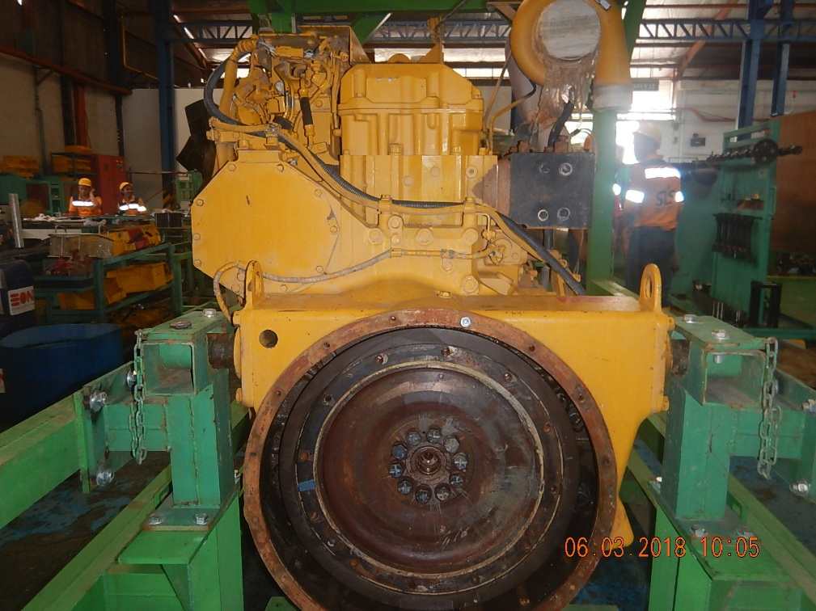
 |  |  |  |  |  |  |  |  | 25 | Sensor Revolution
27
26
 |  |  |  |  |  |  |  |  | 26 | Heat Tab position
24
 |  |  |  |  |  |  |  |  | 27 | Main harnes
25

21

22
23

Rear Side View

Notes :

 |  |  | DELIVERY | MACHINE MODEL |  |  | D375-6R |  | ENGINE PART NO. |  | 6240-B0-0040 |  | DOCUMENT NO |  | RC/QR06/EG/24/07
 |  |  | INSPECTION SHEET | ENGINE MODEL |  |  | SAA6D170E-5 |  | WO NO. |  |  |  | LIFETIME
ENGINE |  |  |  | ENGINE SERIAL NO. |  |  |  |  | RECEIVING DATE |  |  |  | REVISION NO. |  | 01
 |  |  |  | HISTORYCAL |  |  |  |  | SITE |  |  |  | PAGE |  | 1 OF 2

BELOW ARE THE ITEMS RELATED TO DELIVERY INSPECTION AND WHILE YOU DOING THIS INSPECTION JOB, PLEASE REFERRING
TO THE REMANUFACTURED COMPONENTS - STANDARD CONFIGURATION.
: GOOD CONDITION
X : BAD CONDITION ⊗ : NONE
Left Side View
52
31
30
SKETCH DRAWING OR PHOTOES |  |  |  |  |  |  |  |  | NO. | ITEM |  |  |  |  | INSPECTION CONDITION
 |  |  |  |  |  |  |  |  | 28 | Oil pressure sensor Ass'y
 |  |  |  |  |  |  |  |  | 29 | Oil Temperature sensor ass'y
29
28
53
45
47
49
48
51
 |  |  |  |  |  |  |  |  | 30 | Oil Filter
32
 |  |  |  |  |  |  |  |  | 31 | Tube Air
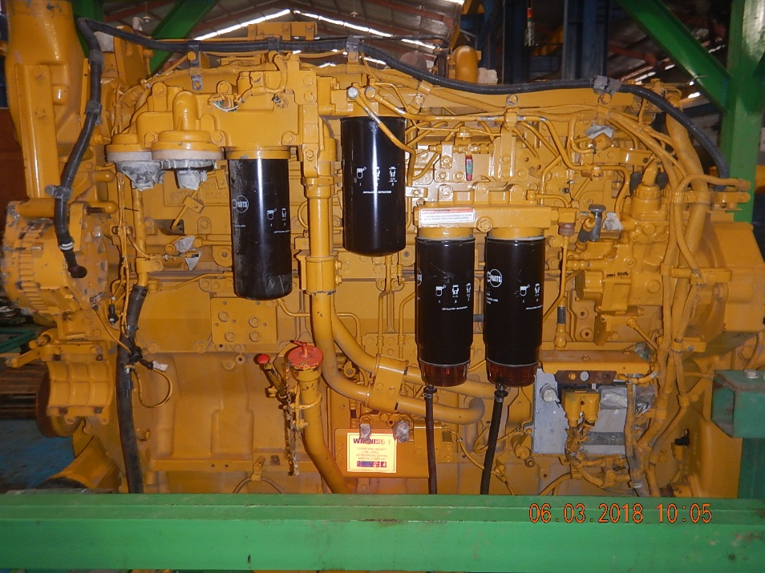
 |  |  |  |  | ̴ |  |  |  | 32 | Air Connector Intake manifold
 |  |  |  |  |  |  |  |  | 33 | Altenator Assy (90) (P/N :600-861-9120)
 |  |  |  |  |  |  |  |  |  | P/N : |  |  |  |  |  | ͂
37
 |  |  |  |  |  | ͠ |  |  | 34 | Bracket Belt drive Guard
 |  |  |  |  |  |  |  |  | 35 | AC Compressor Assy
42
 |  |  |  |  |  | ͠͠ |  |  | 36 | Air Compressor Assy (P/N : 6210-81-3122)
33
 |  |  |  |  |  |  |  |  |  | S/N :
43
 |  |  |  |  |  |  |  |  | 37 | Corrosion resistor
34
 |  |  |  |  |  |  |  |  | 38 | Blowbay Sensor |  |  |  |  |  | ̴̴̴̴̴
44
49
50
 |  |  |  |  |  |  |  |  | 39 | Gauge Oil ( STD : H+ 0 ~ 10 mm)
35
 |  |  |  |  |  |  |  |  |  | Act : H +……10……mm
 |  |  |  |  |  |  |  |  | 40 | Tube Oil Filter Cap
36
 |  |  |  |  |  |  |  |  | 41 | Oil Level sensor

 |  |  |  |  |  |  |  |  | 42 | Drain Plug With Valve
39
40
43
44
46
 |  |  |  |  |  |  |  |  | 43 | Priming Pump Assy With Cover
 |  |  |  |  |  |  |  |  | 44 | Tube Inlet
 |  |  |  |  |  |  |  |  | 45 | Tube Outlet
 |  |  |  |  |  |  |  |  | 46 | Engine Controller Assy
38
 |  |  |  |  |  |  |  |  |  | S/N :
 |  |  |  |  |  |  |  |  |  | ESN :
 |  |  |  |  |  |  |  |  |  | Assy P/N :
41
42
 |  |  |  |  |  |  |  |  | 47 | Fuel Pre Filter
 |  |  |  |  |  |  |  |  | 48 | Fuel Supply Pump Assy ( P/N : 6245-71-1100)
55
 |  |  |  |  |  |  |  |  |  | S/N :
Rear Side View
50
54
 |  |  |  |  |  |  |  |  | 49 | Feed Pump
 |  |  |  |  |  |  |  |  | 50 | Dust Indicator
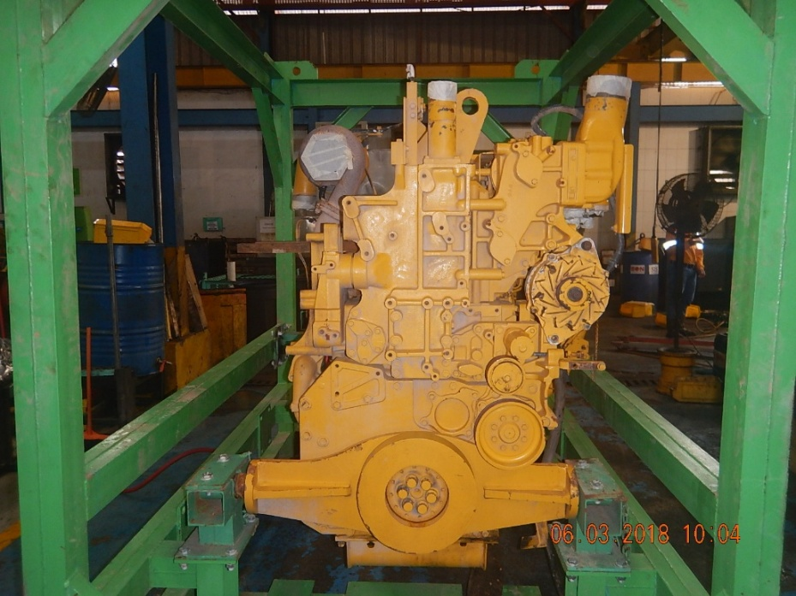
56
 |  |  |  |  |  |  |  |  | 51 | Electrical Wiring Harness
63
 |  |  |  |  |  |  |  |  | 52 | AIR Bleed Valve
64
 |  |  |  |  |  |  |  |  | 53 | Fuel Filter Assy
 |  |  |  |  |  |  |  |  | 54 | Front Hanger plate
57
62
 |  |  |  |  |  |  |  |  | 55 | Tube Water Outlet
 |  |  |  |  |  |  |  |  | 56 | Cooler mounting
60
 |  |  |  |  |  |  |  |  | 57 | Tube Water
58
 |  |  |  |  |  |  |  |  | 58 | Block Water Housing
 |  |  |  |  |  |  |  |  | 59 | Damper Assy
59
 |  |  |  |  |  |  |  |  | 60 | Front Suport
 |  |  |  |  |  |  |  |  | 61 | Oil Pump Assy
 |  |  |  |  |  |  |  |  | 62 | Altenator Drive pulley
61
 |  |  |  |  |  |  |  |  | 63 | Tension Pulley Assy
 |  |  |  |  |  |  |  |  | 64 | V-belt Altenator

Notes :

 |  | Inspected by, |  |  |  |  |  |  |  |  |  |  |  | Approved by,

 | QA Inspector |  |  |  |  |  |  | QA Officer |  |  |  | QA Supervisor

SDR
PT SAPTAINDRA SEJATI
PLANT REBUILD CENTER

QUALITY ASSURANCE
STRIP DOWN REPORT |  |  |  | MACHINE MODEL/CODE | D375-6-DZ.065-0052A | PART NO | 6245-C0-0022 | HOUR METER | 39891
 |  |  |  | ENGINE MODEL | SAA6D170E-5 | RECEIVING DATE | 23-10-2018 | LIFE TIME | 18598
ENGINE 6D170E-5 SERIES |  |  |  | ENGINE S/N | CB-612814 | SITE | ADMO | REVISION NO | 1
 |  |  |  | ACT.CONDITON | UNSCHEDULE | WO NO | 1759 | PAGE | 1/11

No | Part Name |  | Picture

FRONT
REAR
1 | ENGINE ASS'Y

RIGHT
LEFT

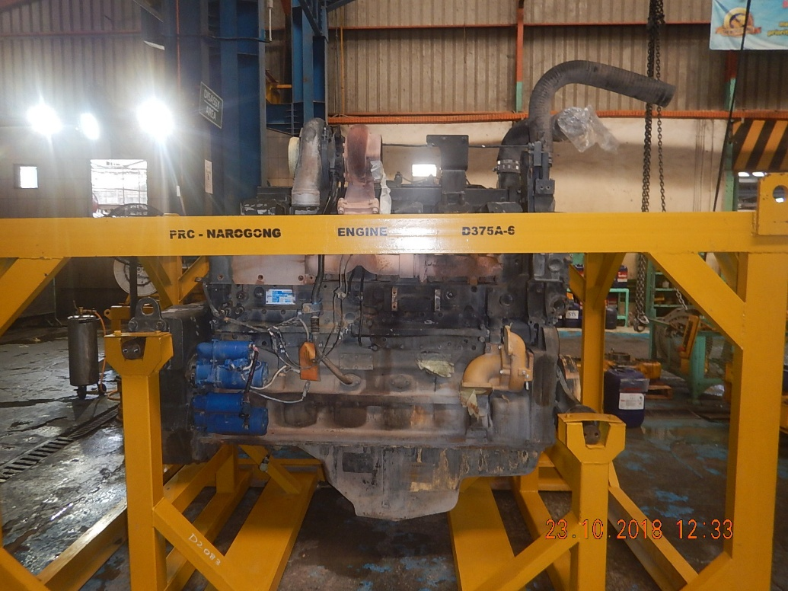
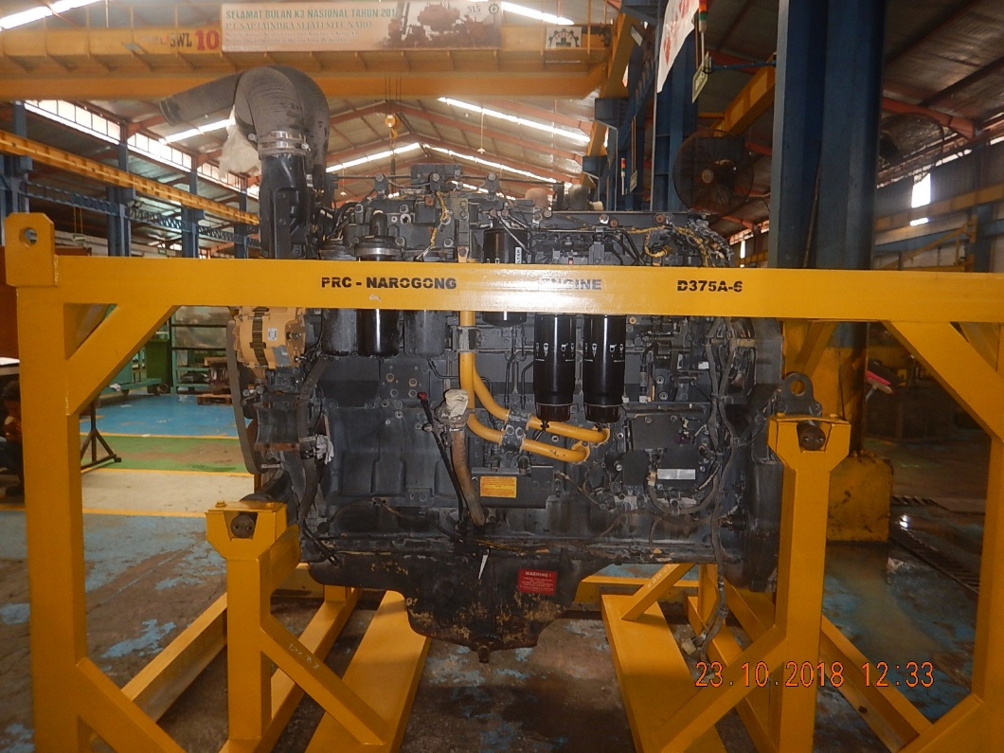

 |  |  |  |  |  |  | \

 |  |  |  |  |  |  |  | INSPECTION DATE:23-10-2018
 | By above visual inspection,we conclude that:
 | 1.condition engine normal

 | Counter measure :
 |  |  |  |  |  |  |  | ARDHIANT
 |  |  |  |  |  |  |  | QA INSPECTOR

STRIP DOWN REPORT |  |  |  | MACHINE MODEL/CODE | D375-6-DZ.065-0052A | PART NO | 6245-C0-0022 | HOUR METER | 39891
 |  |  |  | ENGINE MODEL | SAA6D170E-5 | RECEIVING DATE | 23-10-2018 | LIFE TIME | 18598
ENGINE 6D170E-5 SERIES |  |  |  | ENGINE S/N | CB-612814 | SITE | ADMO | REVISION NO | 00
 |  |  |  | ACT.CONDITON | UNSCHEDULE | WO NO | 1759 | PAGE | 2/11

ALTERNATOR ASSY
No | Part Name |  | Picture
2
FUEL PUMP ASSY
STARTING MOTOR
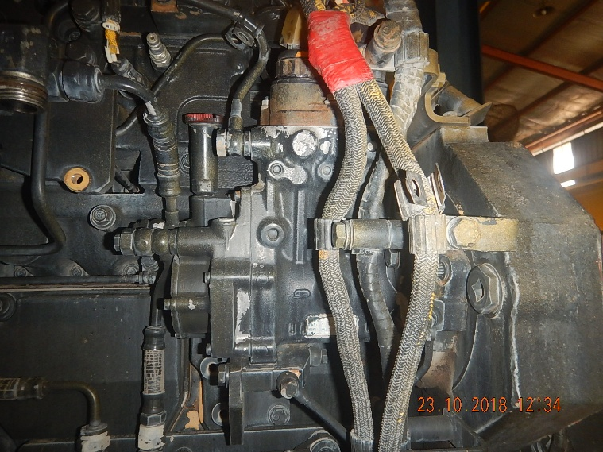

ECM CONTROLLER
OIL FILTER HEAD
FUEL FILTER HEAD

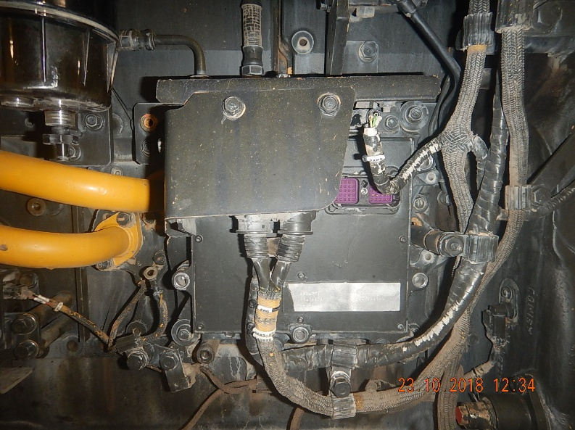
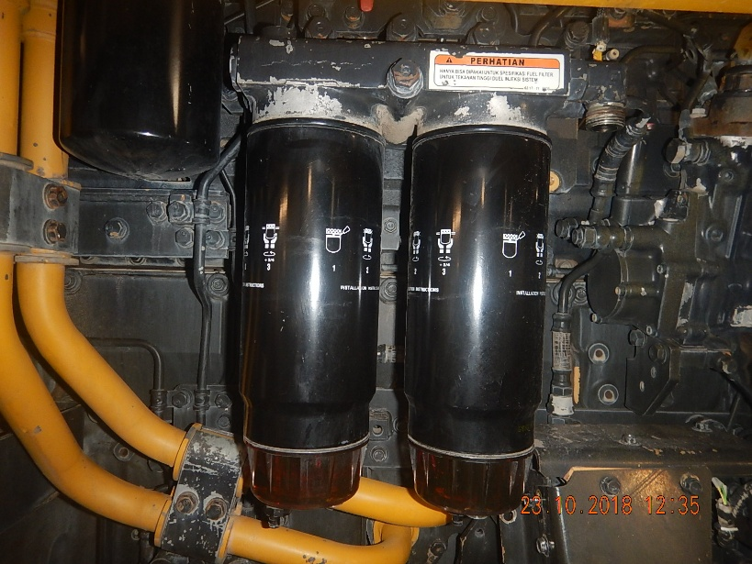
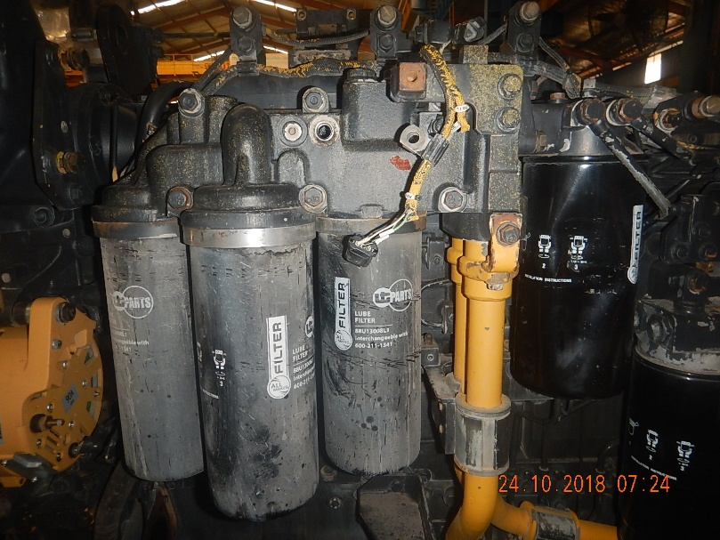
 | SUB COMPONENT

TURBOCHARGER ASSY
WATER PUMP ASSY
OIL PAN

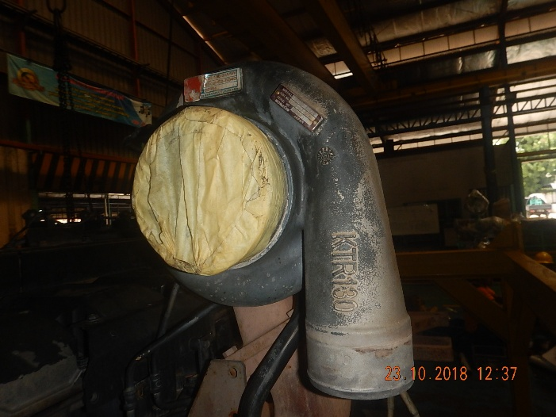

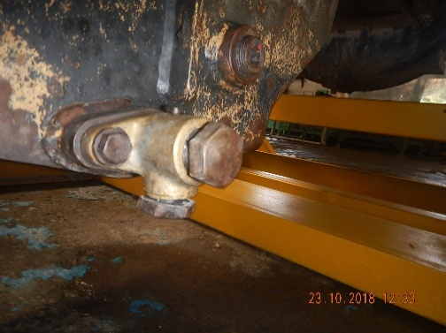

 | By above visual inspection,we conclude that: |  |  |  |  |  |  | INSPECTION DATE:23-10-2018
 | 1.Altenator eks repair jobsite 3.Water pump eks repair jobsite
 | 2.Turbocharger eks repair jobsite

 | Counter measure :
 | 1.reause sub component after inspection proses. |  |  |  |  |  |  | ARDHIANT
 |  |  |  |  |  |  |  | QA INSPECTOR

STRIP DOWN REPORT |  |  |  | MACHINE MODEL/CODE | D375-6-DZ.065-0052A | PART NO | 6245-C0-0022 | HOUR METER | 39891
 |  |  |  | ENGINE MODEL | SAA6D170E-5 | RECEIVING DATE | 23-10-2018 | LIFE TIME | 18598
ENGINE 6D170E-5 SERIES |  |  |  | ENGINE S/N | CB-612814 | SITE | ADMO | REVISION NO | 00
 |  |  |  | ACT.CONDITON | UNSCHEDULE | WO NO | 1759 | PAGE | 3/11

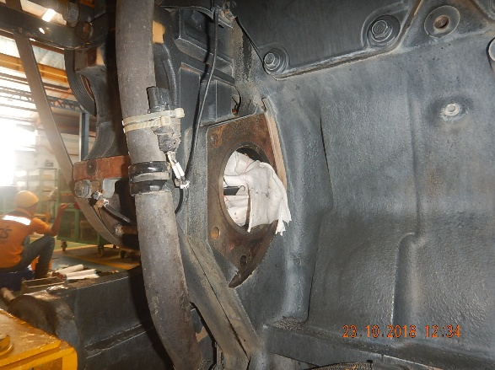
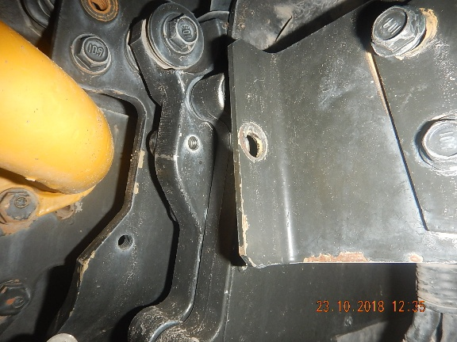
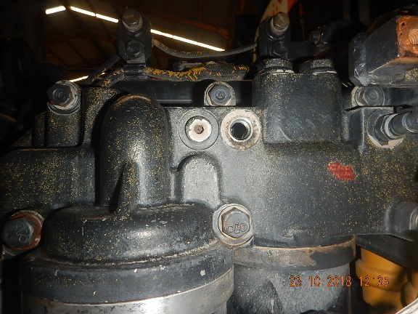
No | Part Name |  | Picture
3

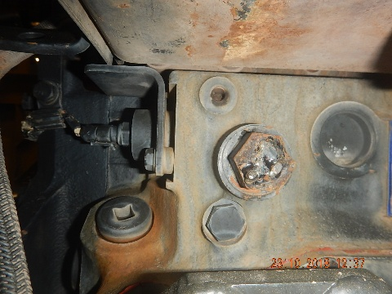
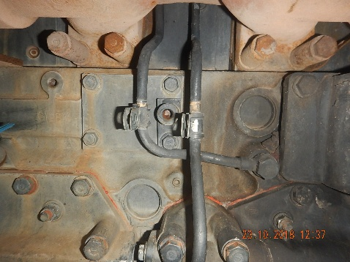
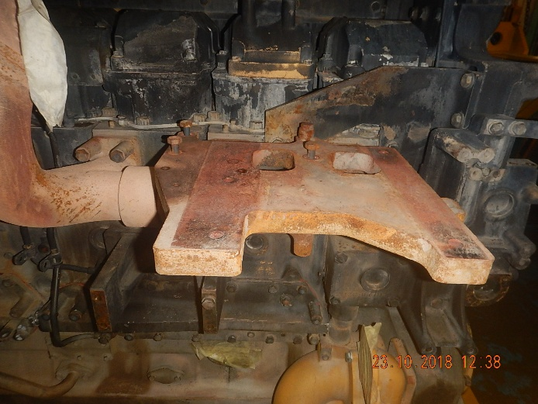

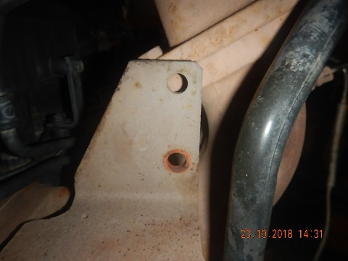
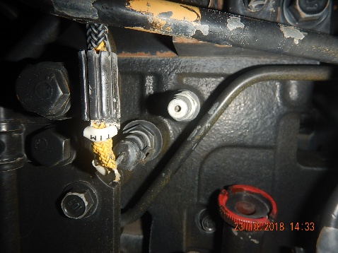
 | LOSSEN & MISSING COMPONENT

 | By above visual inspection,we conclude that: |  |  |  |  |  |  | INSPECTION DATE:23-10-2018
 | 1. Componen missing & lossing

 | Counter measure :
 | 1.Order All componen missing & lossing |  |  |  |  |  |  | ARDHIANT
 |  |  |  |  |  |  |  | QA INSPECTOR

STRIP DOWN REPORT |  |  |  | MACHINE MODEL/CODE | D375-6-DZ.065-0052A | PART NO | 6245-C0-0022 | HOUR METER | 39891
 |  |  |  | ENGINE MODEL | SAA6D170E-5 | RECEIVING DATE | 23-10-2018 | LIFE TIME | 18598
ENGINE 6D170E-5 SERIES |  |  |  | ENGINE S/N | CB-612814 | SITE | ADMO | REVISION NO | 00
 |  |  |  | ACT.CONDITON | UNSCHEDULE | WO NO | 1759 | PAGE | 4/11

SIDE UPPER
SIDE LOWER
No | Part Name |  | Picture
4

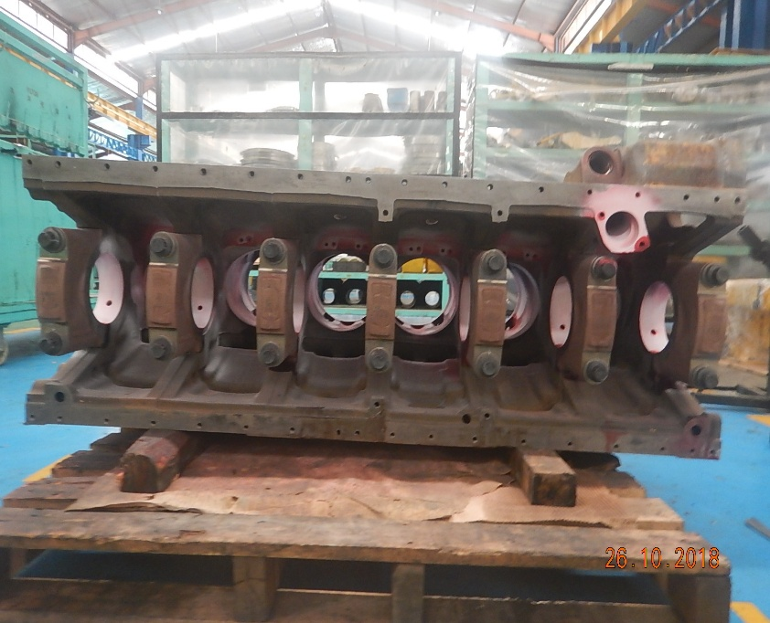

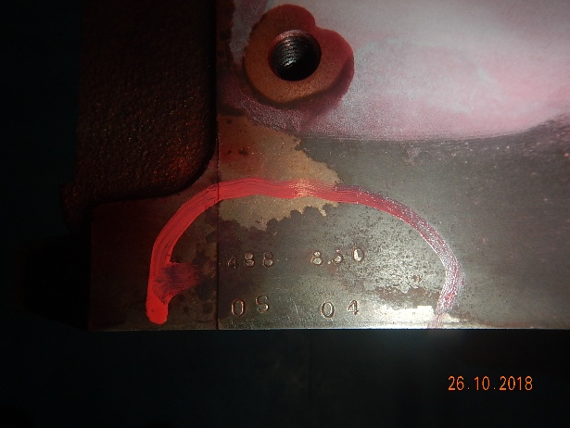

 | BLOCK ASS'Y
SIDE FRONT
SIDE REAR

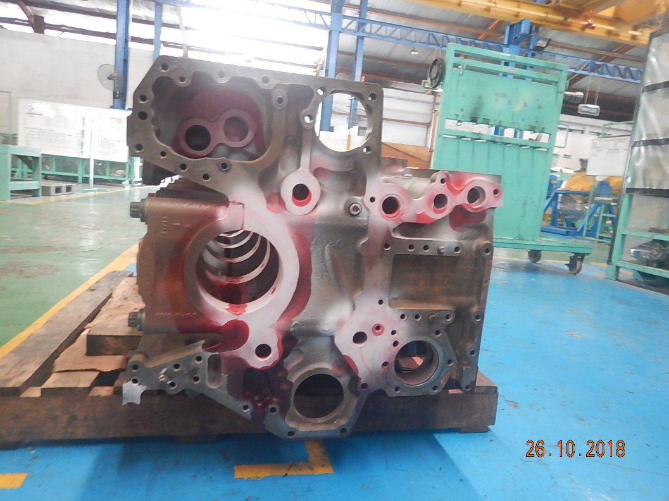
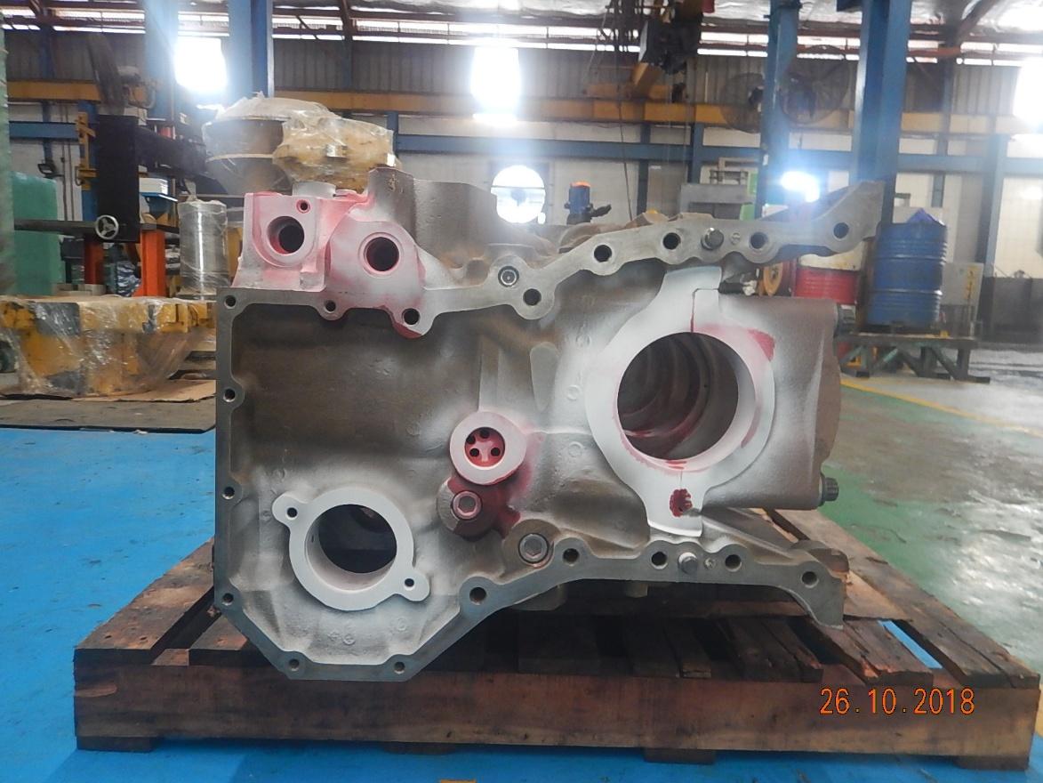

 |  |  |  |  |  |  |  | INSPECTION DATE: 26-10-2018
 | By above visual inspection,we conclude that:
 | 1.Surface cylinder block worn & not crack , size block height
 | 2.Seat cylinder liner already in the more shim cylinder block

 | Counter measure :
 | 1. Cutting surface 0.10 mm |  |  |  |  |  |  | ARDHIANT
 |  |  |  |  |  |  |  | QA INSPECTOR

STRIP DOWN REPORT |  |  |  | MACHINE MODEL/CODE | D375-6-DZ.065-0052A | PART NO | 6245-C0-0022 | HOUR METER | 39891
 |  |  |  | ENGINE MODEL | SAA6D170E-5 | RECEIVING DATE | 23-10-2018 | LIFE TIME | 18598
ENGINE 6D170E-5 SERIES |  |  |  | ENGINE S/N | CB-612814 | SITE | ADMO | REVISION NO | 00
 |  |  |  | ACT.CONDITON | UNSCHEDULE | WO NO | 1759 | PAGE | 5/11

No | Part Name |  | Picture
5
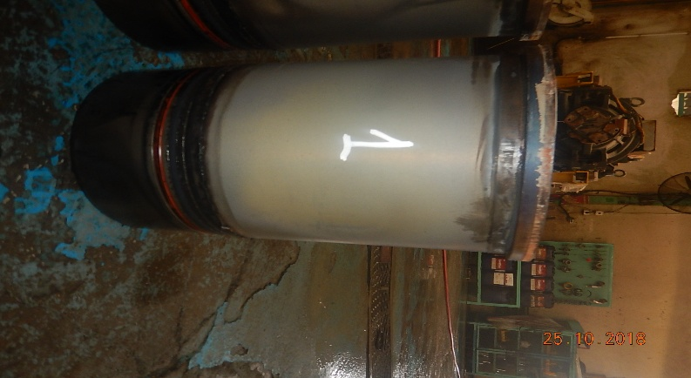
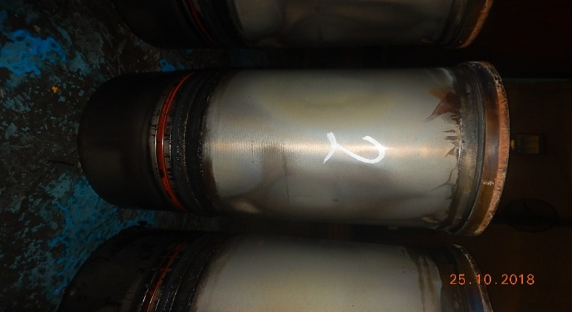
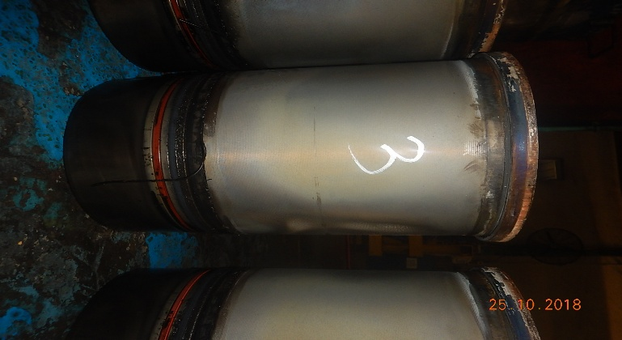
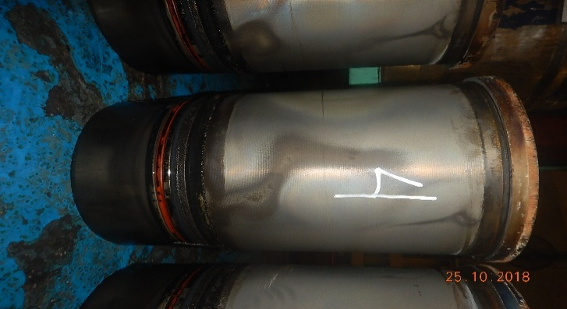
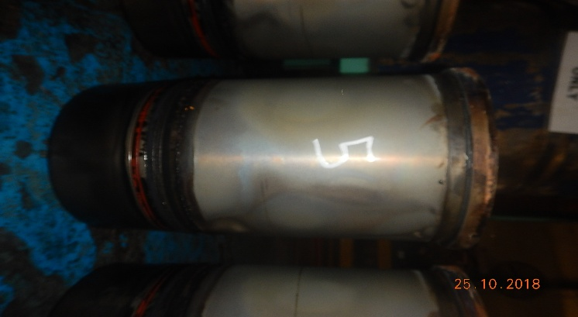
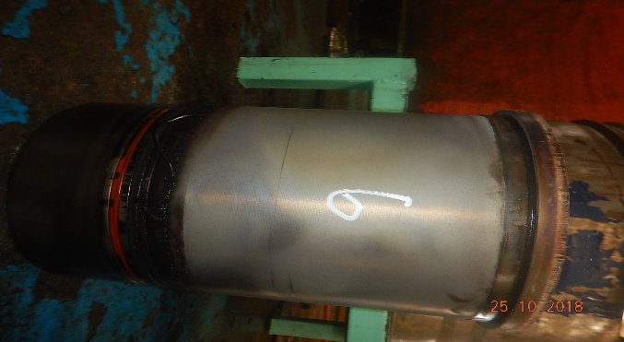

 | LINER & COOLING SYSTEM

 |  |  |  |  |  |  |  | INSPECTION DATE: 24-10-2018
 | By above visual inspection,we conclude that:
 | 1.The holder of liner already in the added shim

 | Counter measure :
 | 1.replace liner |  |  |  |  |  |  | ARDHIANT
 |  |  |  |  |  |  |  | QA INSPECTOR

STRIP DOWN REPORT |  |  |  | MACHINE MODEL/CODE | D375-6-DZ.065-0052A | PART NO | 6245-C0-0022 | HOUR METER | 39891
 |  |  |  | ENGINE MODEL | SAA6D170E-5 | RECEIVING DATE | 23-10-2018 | LIFE TIME | 18598
ENGINE 6D170E-5 SERIES |  |  |  | ENGINE S/N | CB-612814 | SITE | ADMO | REVISION NO | 00
 |  |  |  | ACT.CONDITON | UNSCHEDULE | WO NO | 1759 | PAGE | 6/11

No | Part Name |  | Picture
6

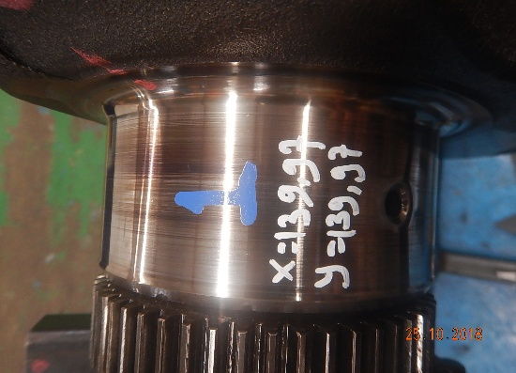
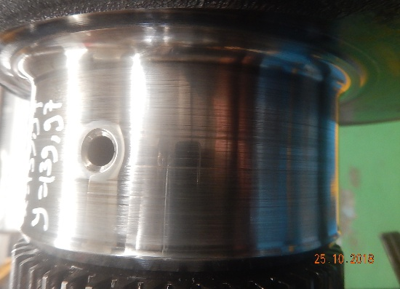
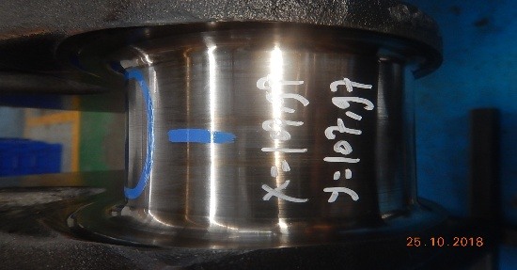
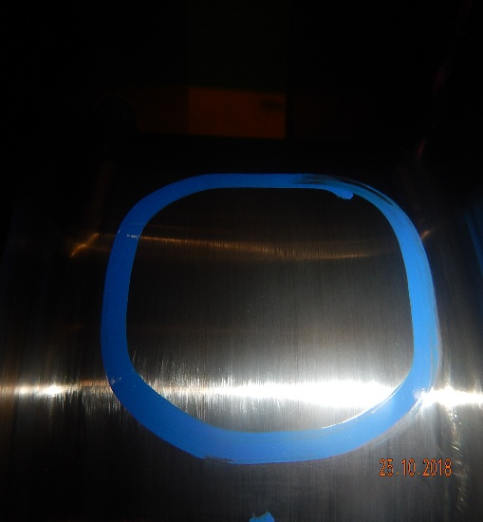

 | CRANKSHAFT & METAL
MAIN JOURNAL NO 1
PIN JOURNAL NO 1

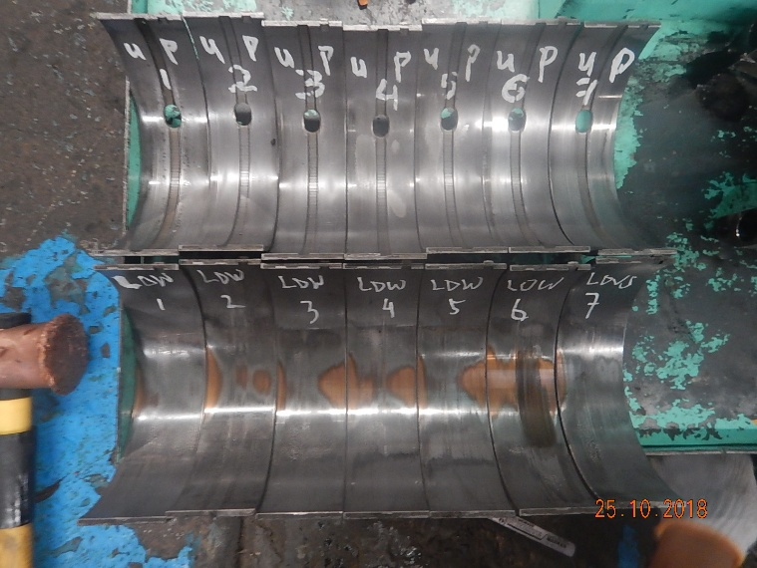
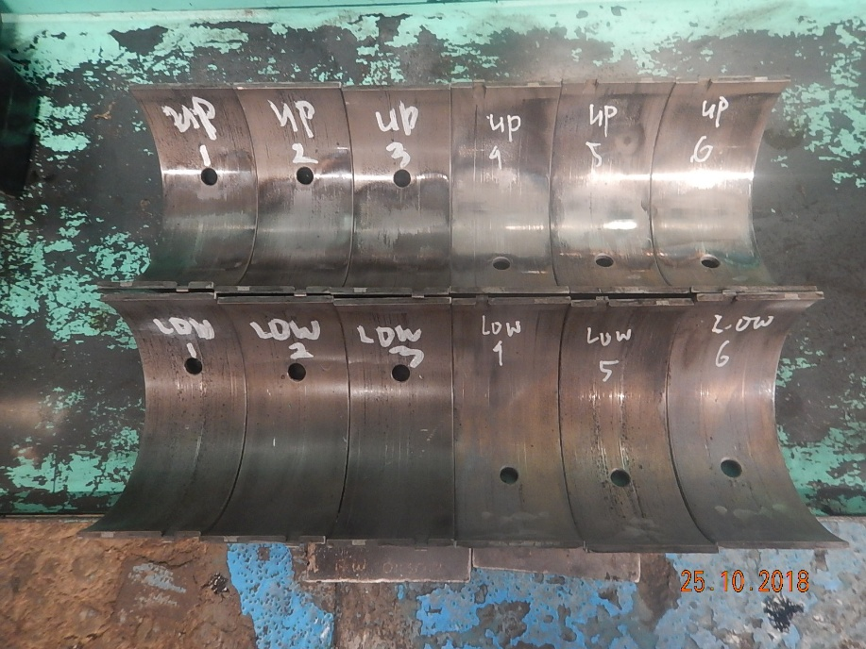

MAIN METAL
PIN METAL
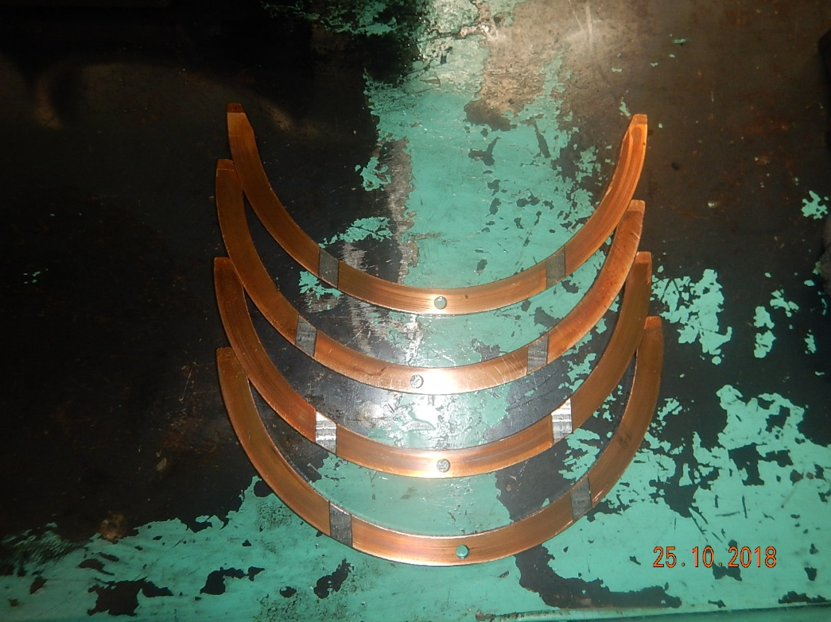

THRUST METAL

 |  |  |  |  |  |  |  | INSPECTION DATE: 25-10-2018
 | By above visual inspection,we conclude that:
 | 1.Condition main journal no 1, bad condition.
 | 2.Condition pin journal no 1 scrath abnormal

 | Counter measure :
 | 1.Main journal & pin journal US :0.25 |  |  |  |  |  |  | ARDHIANT
 |  |  |  |  |  |  |  | QA INSPECTOR

STRIP DOWN REPORT |  |  |  | MACHINE MODEL/CODE | D375-6-DZ.065-0052A | PART NO | 6245-C0-0022 | HOUR METER | 39891
 |  |  |  | ENGINE MODEL | SAA6D170E-5 | RECEIVING DATE | 23-10-2018 | LIFE TIME | 18598
ENGINE 6D170E-5 SERIES |  |  |  | ENGINE S/N | CB-612814 | SITE | ADMO | REVISION NO | 00
 |  |  |  | ACT.CONDITON | UNSCHEDULE | WO NO | 1759 | PAGE | 7/11

No | Part Name |  | Picture
7

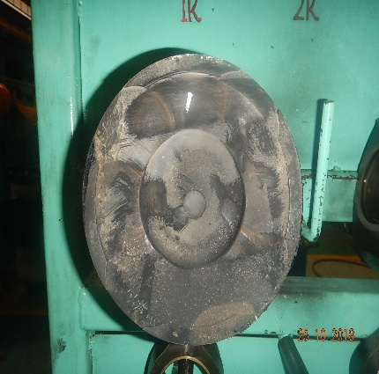
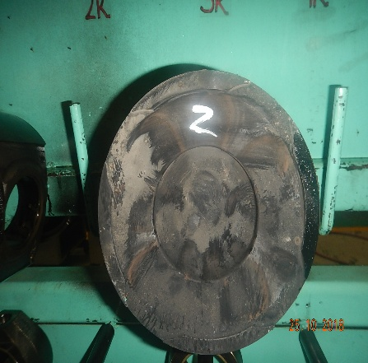
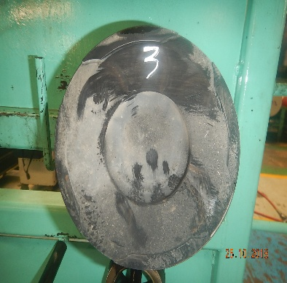

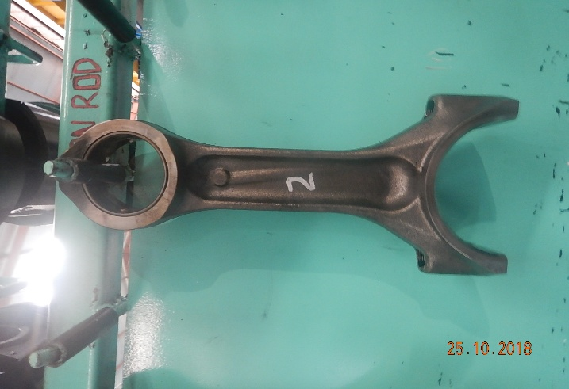
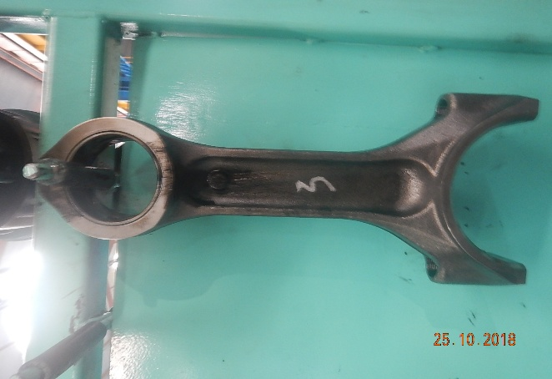

 | PISTON ASS'Y

 |  |  |  |  |  |  |  | INSPECTION DATE: 25-10-2018
 | By above visual inspection,we conclude that:
 | 1.The surface of the piston dirty because of dust
 | 2.Condition conection rod normal
 | 3.Pin piston normal

 | Counter measure :
 | 1.replace new piston |  |  |  |  |  |  | ARDHIANT
 | 2.Conection rod & pin piston reuse |  |  |  |  |  |  | QA INSPECTOR

STRIP DOWN REPORT |  |  |  | MACHINE MODEL/CODE | D375-6-DZ.065-0052A | PART NO | 6245-C0-0022 | HOUR METER | 39891
 |  |  |  | ENGINE MODEL | SAA6D170E-5 | RECEIVING DATE | 23-10-2018 | LIFE TIME | 18598
ENGINE 6D170E-5 SERIES |  |  |  | ENGINE S/N | CB-612814 | SITE | ADMO | REVISION NO | 00
 |  |  |  | ACT.CONDITON | UNSCHEDULE | WO NO | 1759 | PAGE | 8/11

No | Part Name |  | Picture
8

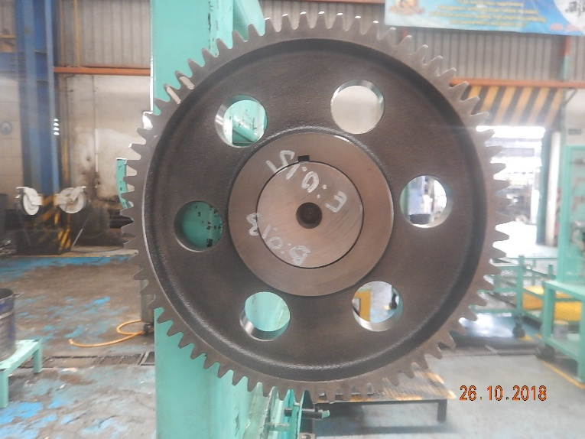

 | CAMSHAFT

 |  |  |  |  |  |  |  | INSPECTION DATE: 26-10-2018
 | By above visual inspection,we conclude that:
 | 1. kondisil Camshaft ass'y normal.

 | Counter measure :
 | 1. Camshaft di reasue |  |  |  |  |  |  | ARDHIANT
 |  |  |  |  |  |  |  | QA INSPECTOR

STRIP DOWN REPORT |  |  |  | MACHINE MODEL/CODE | D375-6-DZ.065-0052A | PART NO | 6245-C0-0022 | HOUR METER | 39891
 |  |  |  | ENGINE MODEL | SAA6D170E-5 | RECEIVING DATE | 23-10-2018 | LIFE TIME | 18598
ENGINE 6D170E-5 SERIES |  |  |  | ENGINE S/N | CB-612814 | SITE | ADMO | REVISION NO | 00
 |  |  |  | ACT.CONDITON | UNSCHEDULE | WO NO | 1759 | PAGE | 8/11

No | Part Name |  | Picture
9 | CYLINDER HEAD AFTER COLOR CHECK.

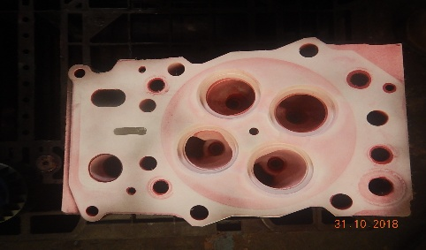
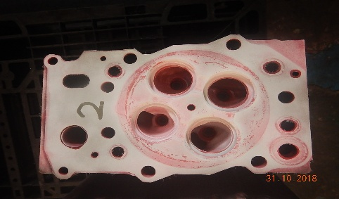
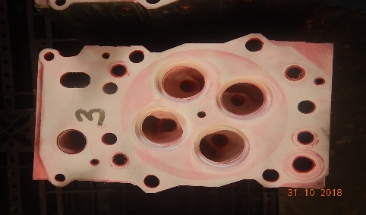
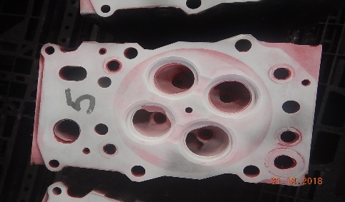
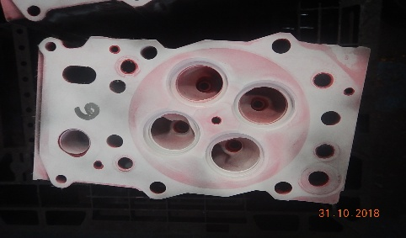
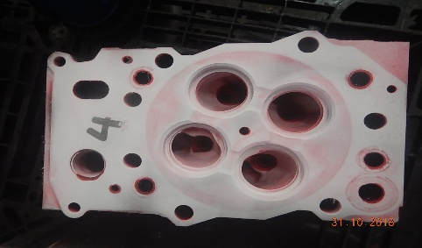



CYLINDER HEAD NO 5

 |  |  |  |  |  |  |  | INSPECTION DATE: 31-10-2018
 | By above visual inspection,we conclude that:
 | 1. Cylinder no 5 Crack
 | 2. All Surface valve intake dirty dust.

 | Counter measure :
 | 1 |  |  |  |  |  |  | ARDHIANT
 |  |  |  |  |  |  |  | QA INSPECTOR

STRIP DOWN REPORT |  |  |  | MACHINE MODEL/CODE | D375-6-DZ.065-0052A | PART NO | 6245-C0-0022 | HOUR METER | 39891
 |  |  |  | ENGINE MODEL | SAA6D170E-5 | RECEIVING DATE | 23-10-2018 | LIFE TIME | 18598
ENGINE 6D170E-5 SERIES |  |  |  | ENGINE S/N | CB-612814 | SITE | ADMO | REVISION NO | 00
 |  |  |  | ACT.CONDITON | UNSCHEDULE | WO NO | 1759 | PAGE | 9/11

No | Part Name |  | Picture
11 | INTAKE MANIFOLD








 |  |  |  |  |  |  |  | INSPECTION DATE: 24-10-2018
 | Visual inspection ditemukan :
 | 1. Hole intake manifold dirty dust

 | Counter measure :
 | 1.reuse intake manifold
 |  |  |  |  |  |  |  | QA INSPECTOR

STRIP DOWN REPORT |  |  |  | MACHINE MODEL/CODE | D375-6-DZ.065-0052A | PART NO | 6245-C0-0022 | HOUR METER | 39891
 |  |  |  | ENGINE MODEL | SAA6D170E-5 | RECEIVING DATE | 23-10-2018 | LIFE TIME | 18598
ENGINE 6D170E-5 SERIES |  |  |  | ENGINE S/N | CB-612814 | SITE | ADMO | REVISION NO | 00
 |  |  |  | ACT.CONDITON | UNSCHEDULE | WO NO | 1759 | PAGE | 10/11


No | Part Name |  | Picture
11 | SALVAGE COMPONEN







 |  |  |  |  |  |  |  | INSPECTION DATE: 31-10-2018
 | Visual inspection ditemukan :
 | 1.front suport wear
 | 2.top Surface cyl block bad condition
 | 3.crankshaft bad condition.
 | 4.top Surface cyl head bad condition

 | Counter measure :
 | 1. reoair hole front suport 3.cutting surface cyl block |  |  |  |  |  |  | ARDHIANT
 | 2. cutting surface cyl head 4. Repair crankshaft. |  |  |  |  |  |  | QA INSPECTOR

STRIP DOWN REPORT |  |  |  | MACHINE MODEL/CODE | D375-6-DZ.065-0052A | PART NO | 6245-C0-0022 | HOUR METER | 39891
 |  |  |  | ENGINE MODEL | SAA6D170E-5 | RECEIVING DATE | 23-10-2018 | LIFE TIME | 18598
ENGINE 6D170E-5 SERIES |  |  |  | ENGINE S/N | CB-612814 | SITE | ADMO | REVISION NO | 00
 |  |  |  | ACT.CONDITON | UNSCHEDULE | WO NO | 1759 | PAGE | 11/11


No | Part Name |  | Picture
12 | BROKEN PARTS





 |  |  |  |  |  |  |  | INSPECTION DATE: 01-10-2018
 | Visual inspection ditemukan :
 | 1. These broken parts.

 | Counter measure :
 | 1. Replace part with new parts. |  |  |  |  |  |  | ARDHIANT
 |  |  |  |  |  |  |  | QA INSPECTOR

FINAL CONCLUTION:
AFTER WE INSPECTION AND INVESTIGATION THIS ENGINE,WE CONCLUDE THAT ENGINE CATEGORY IS A
A | ENGINE STILL RUNNING/NORMALLY CONDITION/SCHEDULE OVERHAUL
B | CRANKSHAFT BROKEN, CAMSHAFT BROKEN,CYL HEAD BROKEN,ELECTRICAL COMPONENT BROKEN
C | CYLINDER BLOCK BROKEN (JEBOL/CRACK)

 |  |  |  |  |  |  | BEKASI,01-10-2018
 |  | Prepared by |  |  | Check by |  | Approved by

 |  |  |  |  | Uhanto
 |  | QA INSPECTOR |  |  | QA SUPERVISOR |  | RC SECTION HEAD

Wire injector broken
Idler gear PSN
Electric priming pump broken

Idler gear PSN
Front idler shaft worn

Gear pitted

Idler gear PSN

Screw adjuster corrotion

Gear pitted
Front idler shaft worn

Gear worn
Rotor assy/core assy jammed and turbine housing crack

SURCH.PART
PT SAPTAINDRA SEJATI
PLANT REBUILD CENTER

LIST SURCHARGE PART |  | MACHINE MODEL/CODE | D375-6-DZ.065-0052A | PART NO | 6245-C0-0022 | HOUR METER | 39891
 |  | ENGINE MODEL | SAA6D170E-5 | RECEIVING DATE | '23-10-2018 | LIFE TIME | 18598
ENGINE 6D170E-5 |  | ENGINE S/N | CB-612814 | SITE | ADMO | REVISION NO | 1
 |  | HISTORYCAL | UNSCHEDULE | WO NO | 1759 | PAGE | 1/1
 |  |  |  |  |  | CORE CATEGORY |  | B
NO | PART NAME | CONDITION | GROUP NAME | PART NO | QTY | Price (USD) | Total price(USD) | PART | REMARK
 |  |  |  |  |  |  |  | STATUS
1 | 01435-01065 | Bolt | 1 | NONE | MAIN ASS'Y
2 | 6245-71-6290 | Bracket | 1 | NONE | MAIN ASS'Y
3 | 6245-71-5390 | Tube, Spill | 1 | NONE | MAIN ASS'Y
4 | 07206-30812 | Bolt, Joint | 2 | NONE | MAIN ASS'Y
5 | 426-06-11570 | Bracket | 1 | NONE | MAIN ASS'Y
6 | 01010-81030 | Bolt | 1 | NONE | MAIN ASS'Y
7 | 01643-31032 | Washer | 1 | NONE | MAIN ASS'Y
8 | 6151-53-8280 | Clip | 1 | NONE | MAIN ASS'Y
9 | 01010-81020 | Bolt | 1 | NONE | MAIN ASS'Y
10 | 01643-31032 | Washer | 1 | NONE | MAIN ASS'Y
11 | 01010-E1265 | Bolt | 4 | NONE | MAIN ASS'Y
12 | 21T-72-14350 | Spacer | 4 | NONE | MAIN ASS'Y
13 | 6245-11-5530 | Tube | 1 | NONE | MAIN ASS'Y
14 | 6162-13-5660 | Clamp | 1 | NONE | MAIN ASS'Y
15 | 01010-81095 | Bolt | 1 | NONE | MAIN ASS'Y
16 | 01643-31032 | Washer | 1 | NONE | MAIN ASS'Y
17 | 6130-12-4571 | Spacer | 1 | NONE | MAIN ASS'Y
18 | 6162-13-5660 | Clamp | 1 | NONE | MAIN ASS'Y
19 | 01010-81055 | Bolt | 1 | NONE | MAIN ASS'Y
20 | 01643-31032 | Washer | 1 | NONE | MAIN ASS'Y
21 | 6128-21-6730 | Spacer | 1 | NONE | MAIN ASS'Y
22 | 6240-81-4431 | Clip | 2 | NONE | MAIN ASS'Y
23 | 01010-81030 | Bolt | 1 | NONE | MAIN ASS'Y
24 | 01643-31032 | Washer | 1 | NONE | MAIN ASS'Y
25 | 6131-12-5920 | Spacer | 1 | NONE | MAIN ASS'Y
26 | 6240-81-4431 | Clip | 2 | NONE | MAIN ASS'Y
27 | 01010-81030 | Bolt | 1 | NONE | MAIN ASS'Y
28 | 01643-31032 | Washer | 1 | NONE | MAIN ASS'Y
29 | 6131-12-5920 | Spacer | 1 | NONE | MAIN ASS'Y
30 | 6240-81-4431 | Clip | 2 | NONE | MAIN ASS'Y
31 | 01010-81030 | Bolt | 1 | NONE | MAIN ASS'Y
32 | 6131-12-5920 | Spacer | 1 | NONE | MAIN ASS'Y
33 | 01643-31032 | Washer | 1 | NONE | MAIN ASS'Y
34 | 426-06-11570 | Bracket | 1 | NONE | MAIN ASS'Y
35 | 01010-81030 | Bolt | 1 | NONE | MAIN ASS'Y
36 | 01643-31032 | Washer | 1 | NONE | MAIN ASS'Y
37 | 6245-11-7660 | Bracket | 1 | NONE | MAIN ASS'Y
38 | 01010-E1025 | Bolt | 4 | NONE | MAIN ASS'Y
39 | 01643-31032 | Washer | 4 | NONE | MAIN ASS'Y
40 | 6245-11-7671 | Cover,Center | 1 | NONE | MAIN ASS'Y
41 | 01010-81020 | Bolt | 2 | NONE | MAIN ASS'Y
42 | 01010-81030 | Bolt | 2 | NONE | MAIN ASS'Y
43 | 01010-81025 | Bolt | 5 | NONE | MAIN ASS'Y
44 | 01643-31032 | Washer | 9 | NONE | MAIN ASS'Y
45 | 6245-11-7680 | Cover | 1 | NONE | MAIN ASS'Y
46 | 01010-81025 | Bolt | 3 | NONE | MAIN ASS'Y
47 | 01643-31032 | Washer | 3 | NONE | MAIN ASS'Y
48 | 6245-11-7870 | Cover | 1 | NONE | MAIN ASS'Y
49 | 6245-11-7880 | Plate | 1 | NONE | MAIN ASS'Y
50 | 01010-81025 | Bolt | 6 | NONE | MAIN ASS'Y
51 | 6245-11-7640 | Cover,Front | 1 | NONE | MAIN ASS'Y
52 | 01643-31032 | Washer | 6 | NONE | MAIN ASS'Y
53 | 01010-81025 | Bolt | 13 | NONE | MAIN ASS'Y
54 | 01643-31032 | Washer | 13 | NONE | MAIN ASS'Y
55 | 6245-11-7480 | Bracket | 1 | NONE | MAIN ASS'Y
56 | 01643-31032 | Washer | 7 | NONE | MAIN ASS'Y
57 | 01010-81025 | Bolt | 7 | NONE | MAIN ASS'Y
58 | 01010-81025 | Bolt | 8 | NONE | MAIN ASS'Y
59 | 01643-31032 | Washer | 8 | NONE | MAIN ASS'Y
60 | 01010-E1255 | Bolt | 4 | NONE | MAIN ASS'Y
61 | 01010-E1255 | Bolt | 2 | NONE | MAIN ASS'Y
62 | 6245-11-7731 | Bracket | 1 | NONE | MAIN ASS'Y
63 | 01010-81030 | Bolt | 2 | NONE | MAIN ASS'Y
64 | 01643-31032 | Washer | 2 | NONE | MAIN ASS'Y
65 | 01010-81025 | Bolt | 2 | NONE | MAIN ASS'Y
66 | 6245-11-7590 | Bracket | 1 | NONE | MAIN ASS'Y
67 | 01010-81030 | Bolt | 1 | NONE | MAIN ASS'Y
68 | 01643-31032 | Washer | 3 | NONE | MAIN ASS'Y
69 | 6245-11-7740 | Bracket | 1 | NONE | MAIN ASS'Y
70 | 6144-81-6680 | Spacer | 2 | NONE | MAIN ASS'Y
71 | 6245-11-7990 | Bracket | 1 | NONE | MAIN ASS'Y
72 | 01010-E1255 | Bolt | 2 | NONE | MAIN ASS'Y
73 | 01010-81025 | Bolt | 5 | NONE | MAIN ASS'Y
74 | 6245-11-7980 | Plate | 1 | NONE | MAIN ASS'Y
75 | 01643-31032 | Washer | 5 | NONE | MAIN ASS'Y
76 | 01010-81025 | Bolt | 2 | NONE | MAIN ASS'Y
77 | 01643-31032 | Washer | 2 | NONE | MAIN ASS'Y
78 | 6245-11-7890 | Bracket | 1 | NONE | MAIN ASS'Y
79 | 01010-81040 | Bolt | 1 | NONE | MAIN ASS'Y
80 | 01643-31032 | Washer | 1 | NONE | MAIN ASS'Y
81 | 6245-11-7960 | Bracket | 1 | NONE | MAIN ASS'Y
82 | 01010-81030 | Bolt | 2 | NONE | MAIN ASS'Y
83 | 01643-31032 | Washer | 2 | NONE | MAIN ASS'Y
84 | 07005-02216 | Gasket | 1 | NONE | MAIN ASS'Y
85 | 07040-02412 | Plug | 1 | NONE | MAIN ASS'Y
86 | 07206-30812 | Bolt, Joint | 2 | NONE | MAIN ASS'Y
87 | 6210-51-8320 | Clip | 1 | NONE | MAIN ASS'Y
88 | 01010-81020 | Bolt | 1 | NONE | MAIN ASS'Y
89 | 01643-31032 | Washer | 1 | NONE | MAIN ASS'Y
90 | 6210-51-8320 | Clip | 1 | NONE | MAIN ASS'Y
91 | 01010-81065 | Bolt | 1 | NONE | MAIN ASS'Y
92 | 01643-31032 | Washer | 1 | NONE | MAIN ASS'Y
93 | 6152-21-6590 | Spacer | 1 | NONE | MAIN ASS'Y
94 | 6210-51-8320 | Clip | 1 | NONE | MAIN ASS'Y
95 | 01010-81045 | Bolt | 1 | NONE | MAIN ASS'Y
96 | 01643-31032 | Washer | 1 | NONE | MAIN ASS'Y
97 | 6128-21-6730 | Spacer | 1 | NONE | MAIN ASS'Y
98 | 600-051-2160 | Clip | 1 | NONE | MAIN ASS'Y
99 | 6934-71-5860 | Bracket | 1 | NONE | MAIN ASS'Y
100 | 01435-01025 | Bolt | 1 | NONE | MAIN ASS'Y
101 | 01010-81050 | Bolt | 1 | NONE | MAIN ASS'Y
102 | 01643-31032 | Washer | 1 | NONE | MAIN ASS'Y
103 | 6128-21-6730 | Spacer | 1 | NONE | MAIN ASS'Y
104 | 01643-31032 | Washer | 1 | NONE | MAIN ASS'Y
105 | 01580-01008 | Nut | 1 | NONE | MAIN ASS'Y
106 | 600-051-2100 | Clip | 1 | NONE | MAIN ASS'Y
107 | 01010-81020 | Bolt | 1 | NONE | MAIN ASS'Y
108 | 01643-31032 | Washer | 1 | NONE | MAIN ASS'Y
109 | 01010-81020 | Bolt | 1 | NONE | MAIN ASS'Y
110 | 01643-31032 | Washer | 1 | NONE | MAIN ASS'Y
111 | 08193-20010 | Clip | 1 | NONE | MAIN ASS'Y
112 | 600-051-2140 | Clip | 1 | NONE | MAIN ASS'Y
113 | 600-051-2180 | Clip | 1 | NONE | MAIN ASS'Y
114 | 01010-81025 | Bolt | 1 | NONE | MAIN ASS'Y
115 | 01643-31032 | Washer | 1 | NONE | MAIN ASS'Y
116 | 01584-01008 | Nut | 1 | NONE | MAIN ASS'Y
117 | 6245-21-6710 | Cover | 1 | NONE | MAIN ASS'Y
118 | 01010-81260 | Bolt | 1 | NONE | MAIN ASS'Y
119 | 6245-81-6521 | Bracket | 1 | NONE | MAIN ASS'Y
120 | 01010-81025 | Bolt | 2 | NONE | MAIN ASS'Y
121 | 01643-31032 | Washer | 2 | NONE | MAIN ASS'Y
122 | 01010-81020 | Bolt | 2 | NONE | MAIN ASS'Y
123 | 01643-31032 | Washer | 2 | NONE | MAIN ASS'Y
124 | 6215-51-8180 | Bracket | 1 | NONE | MAIN ASS'Y
125 | 01010-81025 | Bolt | 1 | NONE | MAIN ASS'Y
126 | 01643-31032 | Washer | 1 | NONE | MAIN ASS'Y
127 | 600-051-2080 | Clip | 1 | NONE | MAIN ASS'Y
128 | 08193-20010 | Clip | 1 | NONE | MAIN ASS'Y
129 | 01010-81025 | Bolt | 1 | NONE | MAIN ASS'Y
130 | 01643-31032 | Washer | 1 | NONE | MAIN ASS'Y
131 | 01584-01008 | Nut | 1 | NONE | MAIN ASS'Y
132 | 6240-11-7150 | Washer | 10 | BROKEN | MAIN ASS'Y
133 | 6162-25-3151 | Bushing | 1 | BROKEN | MAIN ASS'Y
134 | 6245-31-1420 | Bolt | 2 | BROKEN | MAIN ASS'Y
135 | 6693-22-5600 | Valve Assembly | 1 | BROKEN | MAIN ASS'Y
136 | 07043-70211 | Plug | 1 | BROKEN | MAIN ASS'Y
137 | 07040-12012 | Plug | 1 | BROKEN | MAIN ASS'Y
138 | 01435-00816 | Bolt | 1 | BROKEN | MAIN ASS'Y
139 | 6240-31-8700 | Damper Assembly, Vibration | 1 | BROKEN | MAIN ASS'Y
140 | 6240-29-8100 | Main Metal Assembly, Undersize 0.25mm | 7 | BROKEN | MAIN ASS'Y
141 | 6162-39-3041 | Metal Assembly, Undersize 0.25mm | 6 | BROKEN | MAIN ASS'Y
142 | 01435-00614 | Bolt | 10 | BROKEN | MAIN ASS'Y
143 | 600-861-9120 | Alternator Assembly, 90Amp. | 1 | BROKEN | MAIN ASS'Y
144 | 600-813-7152 | Starting Motor, 7.5kw | 2 | BROKEN | MAIN ASS'Y
145 | 6502-52-4410 | Housing, Turbine | 1 | BROKEN | SUB ASS'Y
146 | 6245-71-1111 | Pump Assembly, Supply | 1 | BROKEN | SUB ASS'Y
147 | 6240-61-4251 | Shaft | 1 | BROKEN | SUB ASS'Y
148 | 6240-61-1620 | Gear, Drive | 1 | BROKEN | SUB ASS'Y
149 | 6245-11-1100 | Cylinder head ass'y | 1 | BROKEN | SUB ASS'Y
150
151
182
183
184
185
186
187
188
189
190
191
192
193
194
195
196

 |  |  |  |  |  | BEKASI,31-10-2018
 | Inspected by, | Prepared by, | Check by, |  |  | Approved by, |  | Acknowledge by,

 | ARDIAN N | EDY S |  | AHMAD MUSTOPA |  | SUPARNO |  | JATMIKO P
 | QA INSPECTOR | QA CORDINATOR |  | PROD. SPV |  | PPC SUPERVISOR |  | RC SECTION HEAD

ADDITIONAL PART
PT SAPTAINDRA SEJATI
PLANT REBUILD CENTER

LIST ADDITIONAL PART |  | MACHINE MODEL/CODE | D375-6-DZ.065-0052A | PART NO | 6245-C0-0022 | HOUR METER | 39891
 |  | ENGINE MODEL | SAA6D170E-5 | RECEIVING DATE | '23-10-2018 | LIFE TIME | 18598
ENGINE 6D170E-5 |  | ENGINE S/N | CB-612814 | SITE | ADMO | REVISION NO | 1
 |  | HISTORYCAL | UNSCHEDULE | WO NO | 1759 | PAGE | 1/1
 |  |  |  |  |  | CORE CATEGORY |  | B
NO | PART NO | PART NAME | QTY | CONDITION | COMPONEN GROP | Price (USD) | Total price(USD) | PART | REMARK
 |  |  |  |  |  |  |  | STATUS
1 | 01435-01065 | Bolt | 1 | NONE | MAIN ASS'Y
2 | 6245-71-6290 | Bracket | 1 | NONE | MAIN ASS'Y
3 | 6245-71-5390 | Tube, Spill | 1 | NONE | MAIN ASS'Y
4 | 07206-30812 | Bolt, Joint | 2 | NONE | MAIN ASS'Y
5 | 426-06-11570 | Bracket | 1 | NONE | MAIN ASS'Y
6 | 01010-81030 | Bolt | 1 | NONE | MAIN ASS'Y
7 | 01643-31032 | Washer | 1 | NONE | MAIN ASS'Y
8 | 6151-53-8280 | Clip | 1 | NONE | MAIN ASS'Y
9 | 01010-81020 | Bolt | 1 | NONE | MAIN ASS'Y
10 | 01643-31032 | Washer | 1 | NONE | MAIN ASS'Y
11 | 01010-E1265 | Bolt | 4 | NONE | MAIN ASS'Y
12 | 21T-72-14350 | Spacer | 4 | NONE | MAIN ASS'Y
13 | 6245-11-5530 | Tube | 1 | NONE | MAIN ASS'Y
14 | 6162-13-5660 | Clamp | 1 | NONE | MAIN ASS'Y
15 | 01010-81095 | Bolt | 1 | NONE | MAIN ASS'Y
16 | 01643-31032 | Washer | 1 | NONE | MAIN ASS'Y
17 | 6130-12-4571 | Spacer | 1 | NONE | MAIN ASS'Y
18 | 6162-13-5660 | Clamp | 1 | NONE | MAIN ASS'Y
19 | 01010-81055 | Bolt | 1 | NONE | MAIN ASS'Y
20 | 01643-31032 | Washer | 1 | NONE | MAIN ASS'Y
21 | 6128-21-6730 | Spacer | 1 | NONE | MAIN ASS'Y
22 | 6240-81-4431 | Clip | 2 | NONE | MAIN ASS'Y
23 | 01010-81030 | Bolt | 1 | NONE | MAIN ASS'Y
24 | 01643-31032 | Washer | 1 | NONE | MAIN ASS'Y
25 | 6131-12-5920 | Spacer | 1 | NONE | MAIN ASS'Y
26 | 6240-81-4431 | Clip | 2 | NONE | MAIN ASS'Y
27 | 01010-81030 | Bolt | 1 | NONE | MAIN ASS'Y
28 | 01643-31032 | Washer | 1 | NONE | MAIN ASS'Y
29 | 6131-12-5920 | Spacer | 1 | NONE | MAIN ASS'Y
30 | 6240-81-4431 | Clip | 2 | NONE | MAIN ASS'Y
31 | 01010-81030 | Bolt | 1 | NONE | MAIN ASS'Y
32 | 6131-12-5920 | Spacer | 1 | NONE | MAIN ASS'Y
33 | 01643-31032 | Washer | 1 | NONE | MAIN ASS'Y
34 | 426-06-11570 | Bracket | 1 | NONE | MAIN ASS'Y
35 | 01010-81030 | Bolt | 1 | NONE | MAIN ASS'Y
36 | 01643-31032 | Washer | 1 | NONE | MAIN ASS'Y
37 | 6245-11-7660 | Bracket | 1 | NONE | MAIN ASS'Y
38 | 01010-E1025 | Bolt | 4 | NONE | MAIN ASS'Y
39 | 01643-31032 | Washer | 4 | NONE | MAIN ASS'Y
40 | 6245-11-7671 | Cover,Center | 1 | NONE | MAIN ASS'Y
41 | 01010-81020 | Bolt | 2 | NONE | MAIN ASS'Y
42 | 01010-81030 | Bolt | 2 | NONE | MAIN ASS'Y
43 | 01010-81025 | Bolt | 5 | NONE | MAIN ASS'Y
44 | 01643-31032 | Washer | 9 | NONE | MAIN ASS'Y
45 | 6245-11-7680 | Cover | 1 | NONE | MAIN ASS'Y
46 | 01010-81025 | Bolt | 3 | NONE | MAIN ASS'Y
47 | 01643-31032 | Washer | 3 | NONE | MAIN ASS'Y
48 | 6245-11-7870 | Cover | 1 | NONE | MAIN ASS'Y
49 | 6245-11-7880 | Plate | 1 | NONE | MAIN ASS'Y
50 | 01010-81025 | Bolt | 6 | NONE | MAIN ASS'Y
51 | 6245-11-7640 | Cover,Front | 1 | NONE | MAIN ASS'Y
52 | 01643-31032 | Washer | 6 | NONE | MAIN ASS'Y
53 | 01010-81025 | Bolt | 13 | NONE | MAIN ASS'Y
54 | 01643-31032 | Washer | 13 | NONE | MAIN ASS'Y
55 | 6245-11-7480 | Bracket | 1 | NONE | MAIN ASS'Y
56 | 01643-31032 | Washer | 7 | NONE | MAIN ASS'Y
57 | 01010-81025 | Bolt | 7 | NONE | MAIN ASS'Y
58 | 01010-81025 | Bolt | 8 | NONE | MAIN ASS'Y
59 | 01643-31032 | Washer | 8 | NONE | MAIN ASS'Y
60 | 01010-E1255 | Bolt | 4 | NONE | MAIN ASS'Y
61 | 01010-E1255 | Bolt | 2 | NONE | MAIN ASS'Y
62 | 6245-11-7731 | Bracket | 1 | NONE | MAIN ASS'Y
63 | 01010-81030 | Bolt | 2 | NONE | MAIN ASS'Y
64 | 01643-31032 | Washer | 2 | NONE | MAIN ASS'Y
65 | 01010-81025 | Bolt | 2 | NONE | MAIN ASS'Y
66 | 6245-11-7590 | Bracket | 1 | NONE | MAIN ASS'Y
67 | 01010-81030 | Bolt | 1 | NONE | MAIN ASS'Y
68 | 01643-31032 | Washer | 3 | NONE | MAIN ASS'Y
69 | 6245-11-7740 | Bracket | 1 | NONE | MAIN ASS'Y
70 | 6144-81-6680 | Spacer | 2 | NONE | MAIN ASS'Y
71 | 6245-11-7990 | Bracket | 1 | NONE | MAIN ASS'Y
72 | 01010-E1255 | Bolt | 2 | NONE | MAIN ASS'Y
73 | 01010-81025 | Bolt | 5 | NONE | MAIN ASS'Y
74 | 6245-11-7980 | Plate | 1 | NONE | MAIN ASS'Y
75 | 01643-31032 | Washer | 5 | NONE | MAIN ASS'Y
76 | 01010-81025 | Bolt | 2 | NONE | MAIN ASS'Y
77 | 01643-31032 | Washer | 2 | NONE | MAIN ASS'Y
78 | 6245-11-7890 | Bracket | 1 | NONE | MAIN ASS'Y
79 | 01010-81040 | Bolt | 1 | NONE | MAIN ASS'Y
80 | 01643-31032 | Washer | 1 | NONE | MAIN ASS'Y
81 | 6245-11-7960 | Bracket | 1 | NONE | MAIN ASS'Y
82 | 01010-81030 | Bolt | 2 | NONE | MAIN ASS'Y
83 | 01643-31032 | Washer | 2 | NONE | MAIN ASS'Y
84 | 07005-02216 | Gasket | 1 | NONE | MAIN ASS'Y
85 | 07040-02412 | Plug | 1 | NONE | MAIN ASS'Y
86 | 07206-30812 | Bolt, Joint | 2 | NONE | MAIN ASS'Y
87 | 6210-51-8320 | Clip | 1 | NONE | MAIN ASS'Y
88 | 01010-81020 | Bolt | 1 | NONE | MAIN ASS'Y
89 | 01643-31032 | Washer | 1 | NONE | MAIN ASS'Y
90 | 6210-51-8320 | Clip | 1 | NONE | MAIN ASS'Y
91 | 01010-81065 | Bolt | 1 | NONE | MAIN ASS'Y
92 | 01643-31032 | Washer | 1 | NONE | MAIN ASS'Y
93 | 6152-21-6590 | Spacer | 1 | NONE | MAIN ASS'Y
94 | 6210-51-8320 | Clip | 1 | NONE | MAIN ASS'Y
95 | 01010-81045 | Bolt | 1 | NONE | MAIN ASS'Y
96 | 01643-31032 | Washer | 1 | NONE | MAIN ASS'Y
97 | 6128-21-6730 | Spacer | 1 | NONE | MAIN ASS'Y
98 | 600-051-2160 | Clip | 1 | NONE | MAIN ASS'Y
99 | 6934-71-5860 | Bracket | 1 | NONE | MAIN ASS'Y
100 | 01435-01025 | Bolt | 1 | NONE | MAIN ASS'Y
101 | 01010-81050 | Bolt | 1 | NONE | MAIN ASS'Y
102 | 01643-31032 | Washer | 1 | NONE | MAIN ASS'Y
103 | 6128-21-6730 | Spacer | 1 | NONE | MAIN ASS'Y
104 | 01643-31032 | Washer | 1 | NONE | MAIN ASS'Y
105 | 01580-01008 | Nut | 1 | NONE | MAIN ASS'Y
106 | 600-051-2100 | Clip | 1 | NONE | MAIN ASS'Y
107 | 01010-81020 | Bolt | 1 | NONE | MAIN ASS'Y
108 | 01643-31032 | Washer | 1 | NONE | MAIN ASS'Y
109 | 01010-81020 | Bolt | 1 | NONE | MAIN ASS'Y
110 | 01643-31032 | Washer | 1 | NONE | MAIN ASS'Y
111 | 08193-20010 | Clip | 1 | NONE | MAIN ASS'Y
112 | 600-051-2140 | Clip | 1 | NONE | MAIN ASS'Y
113 | 600-051-2180 | Clip | 1 | NONE | MAIN ASS'Y
114 | 01010-81025 | Bolt | 1 | NONE | MAIN ASS'Y
115 | 01643-31032 | Washer | 1 | NONE | MAIN ASS'Y
116 | 01584-01008 | Nut | 1 | NONE | MAIN ASS'Y
117 | 6245-21-6710 | Cover | 1 | NONE | MAIN ASS'Y
118 | 01010-81260 | Bolt | 1 | NONE | MAIN ASS'Y
119 | 6245-81-6521 | Bracket | 1 | NONE | MAIN ASS'Y
120 | 01010-81025 | Bolt | 2 | NONE | MAIN ASS'Y
121 | 01643-31032 | Washer | 2 | NONE | MAIN ASS'Y
122 | 01010-81020 | Bolt | 2 | NONE | MAIN ASS'Y
123 | 01643-31032 | Washer | 2 | NONE | MAIN ASS'Y
124 | 6215-51-8180 | Bracket | 1 | NONE | MAIN ASS'Y
125 | 01010-81025 | Bolt | 1 | NONE | MAIN ASS'Y
126 | 01643-31032 | Washer | 1 | NONE | MAIN ASS'Y
127 | 600-051-2080 | Clip | 1 | NONE | MAIN ASS'Y
128 | 08193-20010 | Clip | 1 | NONE | MAIN ASS'Y
129 | 01010-81025 | Bolt | 1 | NONE | MAIN ASS'Y
130 | 01643-31032 | Washer | 1 | NONE | MAIN ASS'Y
131 | 01584-01008 | Nut | 1 | NONE | MAIN ASS'Y
132 | 6240-11-7150 | Washer | 10 | BROKEN | MAIN ASS'Y
133 | 6162-25-3151 | Bushing | 1 | BROKEN | MAIN ASS'Y
134 | 6245-31-1420 | Bolt | 2 | BROKEN | MAIN ASS'Y
135 | 6693-22-5600 | Valve Assembly | 1 | BROKEN | MAIN ASS'Y
136 | 07043-70211 | Plug | 1 | BROKEN | MAIN ASS'Y
137 | 07040-12012 | Plug | 1 | BROKEN | MAIN ASS'Y
138 | 01435-00816 | Bolt | 1 | BROKEN | MAIN ASS'Y
139 | 6240-31-8700 | Damper Assembly, Vibration | 1 | BROKEN | MAIN ASS'Y
140 | 6240-29-8100 | Main Metal Assembly, Undersize 0.25mm | 7 | BROKEN | MAIN ASS'Y
141 | 6162-39-3041 | Metal Assembly, Undersize 0.25mm | 6 | BROKEN | MAIN ASS'Y
142 | 01435-00614 | Bolt | 10 | BROKEN | MAIN ASS'Y
143 | 600-861-9120 | Alternator Assembly, 90Amp. | 1 | BROKEN | MAIN ASS'Y
144 | 600-813-7152 | Starting Motor, 7.5kw | 2 | BROKEN | MAIN ASS'Y
145 | 6502-52-4410 | Housing, Turbine | 1 | BROKEN | SUB ASS'Y
146 | 6245-71-1111 | Pump Assembly, Supply | 1 | BROKEN | SUB ASS'Y
147 | 6240-61-4251 | Shaft | 1 | BROKEN | SUB ASS'Y
148 | 6240-61-1620 | Gear, Drive | 1 | BROKEN | SUB ASS'Y
149 | 6245-11-1100 | Cylinder head ass'y | 1 | BROKEN | SUB ASS'Y
150
151
152
153
154
155
156
173
174
175
176
191

 |  |  |  |  |  | BEKASI, 31-10-2018
 | Inspected by, | Prepared by, | Check by, |  |  | Approved by, |  | Acknowledge by,

 | ARDIAN N | EDY S |  | AHMAD MUSTOPA |  |  |  | JATMIKO P
 | QA INSPECTOR | QA CORDINATOR |  | PROD. SPV |  | PPC SUPERVISOR |  | RC SECTION HEAD

 |  |  |  |  |  |  | Cylinder Head Assembly | 6

SALVAGE PART
PT SAPTAINDRA SEJATI
PLANT REBUILD CENTER

LIST SALVAGE PART |  | MACHINE MODEL/CODE | D375-6-DZ.065-0052A |  | PART NO | 6245-C0-0022 |  | HOUR METER | 39891
 |  | ENGINE MODEL | SAA6D170E-5 |  | RECEIVING DATE | 23-10-2018 |  | LIFE TIME | 18598
ENGINE 6D170E-5 |  | ENGINE S/N | CB-612814 |  | SITE | ADMO |  | REVISION NO | 1
 |  | HISTORYCAL | UNSCHEDULE |  | WO NO | 1759 |  | PAGE | 1/1
 |  |  |  |  |  |  |  | CORE CATEGORY |  | B
NO | PART NO | PART NAME | QTY | GROUP NAME | FAILURE | METHODE REPAIR | REMARK | Price (USD) | Total price(USD) | PART | REMARK
 |  |  |  |  |  |  |  |  |  | STATUS
1 | 6240-31-1310 | CRANKSHAFT | 1 |  | WORN | US:0.25 MAIN JOURNAL & PIN JOURNAL
2 | 6245-31-1100 | CYLINDER BLOCK | 1 |  | WORN | CUTTING SURFACE
3 | 6245-11-1100 | CYLINDER HEAD | 5 |  | WORN | CUTTING SURFACE
4 | 6245-11-5470 | BRACKET | 1 |  | REMOVE BOLT
5 | 6240-11-5110 | MANIFOLD | 1 |  | REMOVE BOLT
6 | 6162-23-3713 | FRONT SUPORT | 1 |  | WORN
7
8 |  |  |  |  |  |  |  |  |  | -
 |  |  |  |  |  |  |  |  | USD

 |  |  |  |  |  |  |  | BEKASI,31-10-2018
 | Inspected by, | Prepared by, | Check by, |  |  |  |  | Approved by, |  | Acknowledge by,

 | ARDIAN N | EDY S |  |  |  |  |  |  |  | JATMIKO P
 | QA INSPECTOR | QA CORDINATOR |  |  | PROD. SPV |  |  | PPC SUPERVISOR |  | RC SECTION HEAD

